Assignment
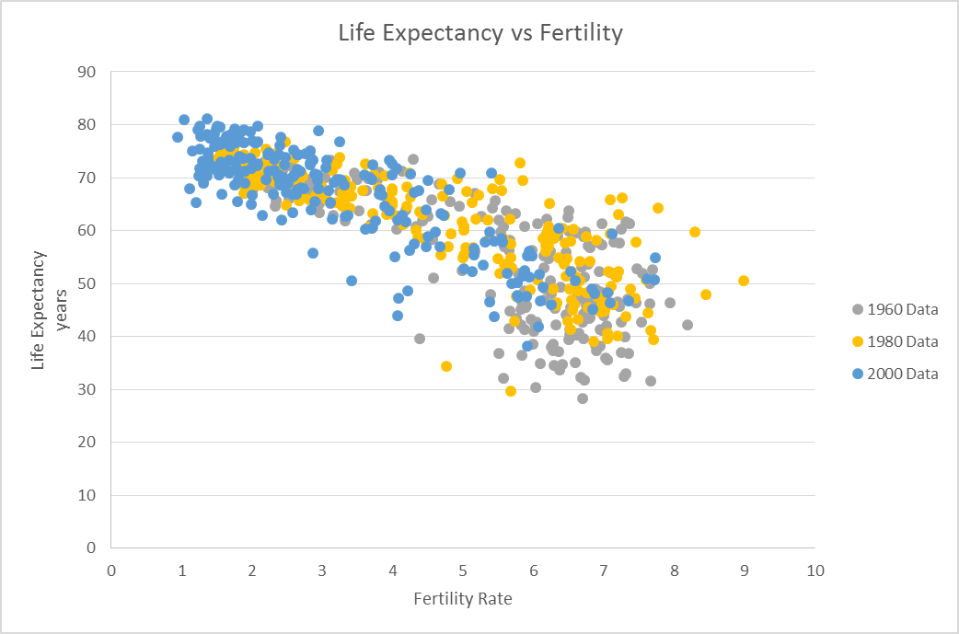
Scatter Plot Example

 | Given the World Health Organization, in the following 2 tabs, create a scatter plot that demonstrates the relationship between Fertility & Life Expectancy globally.
 | Look at three different years: 1960, 1980 & 2000. What do you think can be concluded, if anything given this data?

 | It should look something like this:

